table
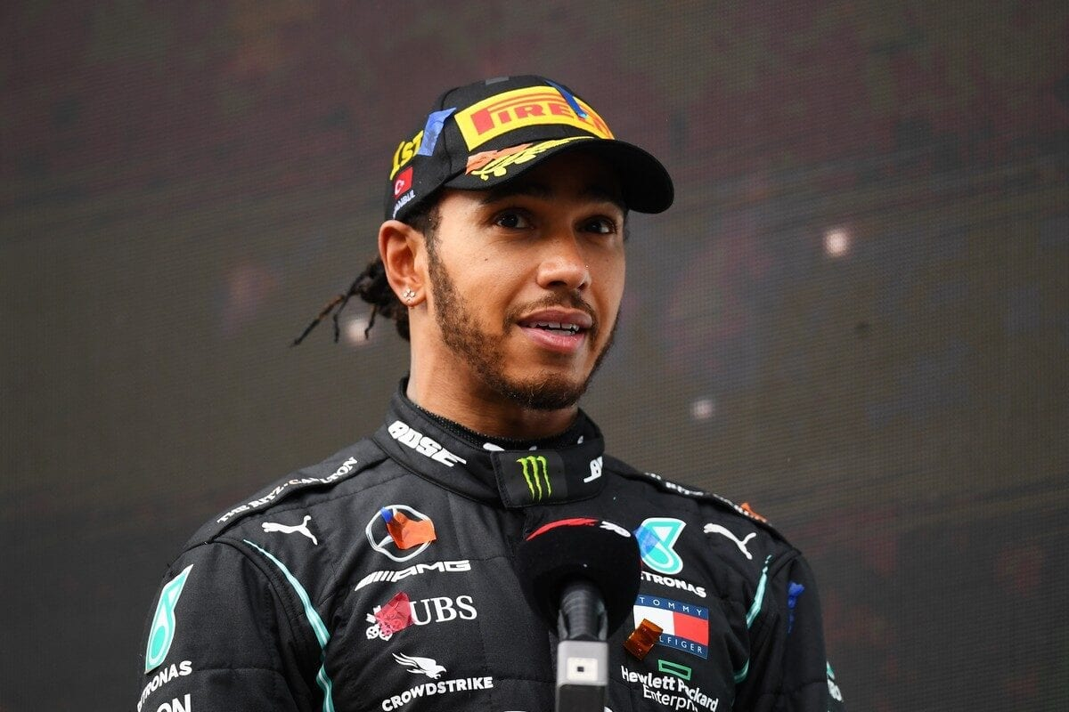
British Grand Prix

2024
 | Total
#22 Yuki Tsunoda | 1
#3 Daniel Ricciardo
Total Laps 2024
 | Total
Red Bull | 52
Alpine
Red Bull | 50
Aston Martin | 52
Ferrari | 51
Aston Martin | 52
Williams | 52
Haas | 52
RB | 52
Williams | 52
Kick Sauber | 50
Haas | 52
RB | 51
Alpine | 50
McLaren | 52
Mercedes | 52
Ferrari | 52
Mercedes | 33
Kick Sauber | 51
McLaren | 52
yearly
 | Total
3rd | 52
1st | 33
2nd | 52

This Photo by Unknown Author is licensed under CC BY-NC-ND
This Photo by Unknown Author is licensed under CC BY-SA

 | Sum of Pos. | Sum of Points
Renault | 8 | 9
Mercedes | 5 | 68
Ferrari | 2 | 302
Ferrari | 7 | 27
Ferrari | 10 | 0
Mercedes | 3 | 295
Mercedes | 4 | 221
Honda RBPT | 6 | 31
Honda RBPT | 1 | 373
Mercedes | 9 | 4
 | Total
Lewis Hamilton | 2015
 | Sum of Wins | Sum of Pos.
Alpine | 0 | 8
Aston Martin | 0 | 5
Ferrari | 2 | 2
Haas | 0 | 7
Kick Sauber | 0 | 10
McLaren | 1 | 3
Mercedes | 2 | 4
RB | 0 | 6
Red Bull | 7 | 1
Williams | 0 | 9

Sheet2
Row Labels | Sum of Points
10 | 1
#22 Yuki Tsunoda | 1
13
#3 Daniel Ricciardo
Grand Total | 1

 | Total
#22 Yuki Tsunoda | 1
#3 Daniel Ricciardo

Sheet8
Row Labels | Sum of Pos. | Sum of Points
Alpine | 8 | 9
Renault | 8 | 9
Aston Martin | 5 | 68
Mercedes | 5 | 68
Ferrari | 2 | 302
Ferrari | 2 | 302
Haas | 7 | 27
Ferrari | 7 | 27
Kick Sauber | 10 | 0
Ferrari | 10 | 0
McLaren | 3 | 295
Mercedes | 3 | 295
Mercedes | 4 | 221
Mercedes | 4 | 221
RB | 6 | 31
Honda RBPT | 6 | 31
Red Bull | 1 | 373
Honda RBPT | 1 | 373
Williams | 9 | 4
Mercedes | 9 | 4
Grand Total | 55 | 1330

Sheet10
Row Labels | Sum of Year
Nico Rosberg | 2015
Sebastian Vettel | 2015
Lewis Hamilton | 2015
Grand Total | 2015

Sheet11
Row Labels | Sum of Wins | Sum of Pos.
Alpine | 0 | 8
Aston Martin | 0 | 5
Ferrari | 2 | 2
Haas | 0 | 7
Kick Sauber | 0 | 10
McLaren | 1 | 3
Mercedes | 2 | 4
RB | 0 | 6
Red Bull | 7 | 1
Williams | 0 | 9
Grand Total | 12 | 55

Sheet5
Row Labels | Sum of Laps
#1 Max Verstappen | 52
Red Bull | 52
#10 Pierre Gasly
Alpine
#11 Sergio Pérez | 50
Red Bull | 50
#14 Fernando Alonso | 52
Aston Martin | 52
#16 Charles Leclerc | 51
Ferrari | 51
#18 Lance Stroll | 52
Aston Martin | 52
#2 Logan Sargeant | 52
Williams | 52
#20 Kevin Magnussen | 52
Haas | 52
#22 Yuki Tsunoda | 52
RB | 52
#23 Alexander Albon | 52
Williams | 52
 | Total
Red Bull | 52
Alpine
Red Bull | 50
Aston Martin | 52
Ferrari | 51
Aston Martin | 52
Williams | 52
Haas | 52
RB | 52
Williams | 52
Kick Sauber | 50
Haas | 52
RB | 51
Alpine | 50
McLaren | 52
Mercedes | 52
Ferrari | 52
Mercedes | 33
Kick Sauber | 51
McLaren | 52
#24 Guanyu Zhou | 50
Kick Sauber | 50
#27 Nico Hülkenberg | 52
Haas | 52
#3 Daniel Ricciardo | 51
RB | 51
#31 Esteban Ocon | 50
Alpine | 50
#4 Lando Norris | 52
McLaren | 52
#44 Lewis Hamilton | 52
Mercedes | 52
#55 Carlos Sainz Jr. | 52
Ferrari | 52
#63 George Russell | 33
Mercedes | 33
#77 Valtteri Bottas | 51
Kick Sauber | 51
#81 Oscar Piastri | 52
McLaren | 52
Grand Total | 960

Sheet6
Row Labels | Sum of Laps
McLaren | 52
3rd | 52
Mercedes | 85
1st | 33
2nd | 52
Grand Total | 137

